P11

MaleSD | = | 14.1
FemaleSD | = | 9.5
MaleN | = | 75
FemaleN | = | 50
MaleMean | = | 28
FemaleMean | = | 33

z test | -2.37
Z-Table value = | 0.0089

the null hypothesis could not be rejected.
So the population means of conventration of the element are not the same for men or women.

P12
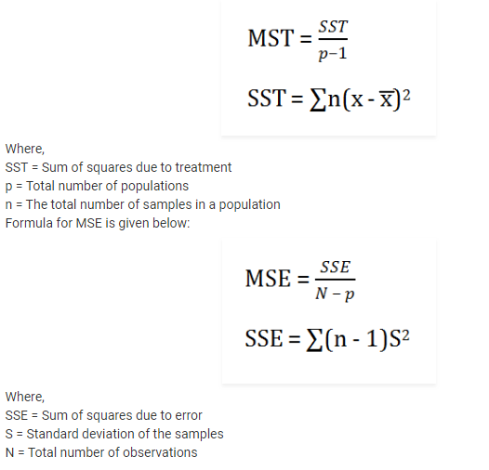
 |  |  |  |  | xbar = | 16
Types of Animals | Number of animals | Average Domestic animals | Standard Deviation |  | n | x | s | s^2 | Xi-xbar | Xi-xbar^2 | (n-1)s^2
Dogs | 5 | 12 | 2 |  | 5 | 12 | 2 | 4 | -4 | 16 | 16
Cats | 5 | 16 | 1 |  | 5 | 16 | 1 | 1 | 0 | 0 | 4
Hamsters | 5 | 20 | 4 |  | 5 | 20 | 4 | 16 | 4 | 16 | 64

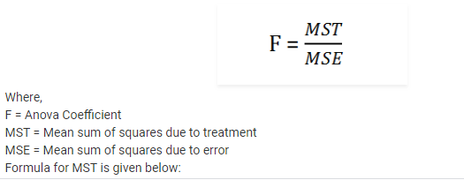
F-Stats = | 11.429 |  | p | 3
 |  |  | n = | 5
MST = | 80 |  | N = | 15
SST = | 160 |  | x̄ = | 16

MSE = | 7
SSE = | 84

P15
 |  | Moving Average of 5 years

Moving Average
 | Actual | Forecast
 | 4 | #N/A
 | 6 | #N/A
 | 5 | #N/A
 | 8 | #N/A
 | 9 | 6.4
 | 5 | 6.6
 | 4 | 6.2
 | 3 | 5.8
 | 7 | 5.6
 | 8 | 5.4
Year | Sales($M)
2003 | 4 |  |  | #N/A
2004 | 6 |  |  | #N/A
2005 | 5 | 32 | 6.4 | #N/A
2006 | 8 | 33 | 6.6 | #N/A
2007 | 9 | 31 | 6.2 | 6.4
2008 | 5 | 29 | 5.8 | 6.6
2009 | 4 | 28 | 5.6 | 6.2
2010 | 3 | 27 | 5.4 | 5.8
2011 | 7 |  |  | 5.6
2012 | 8 |  |  | 5.4

